At a Glance
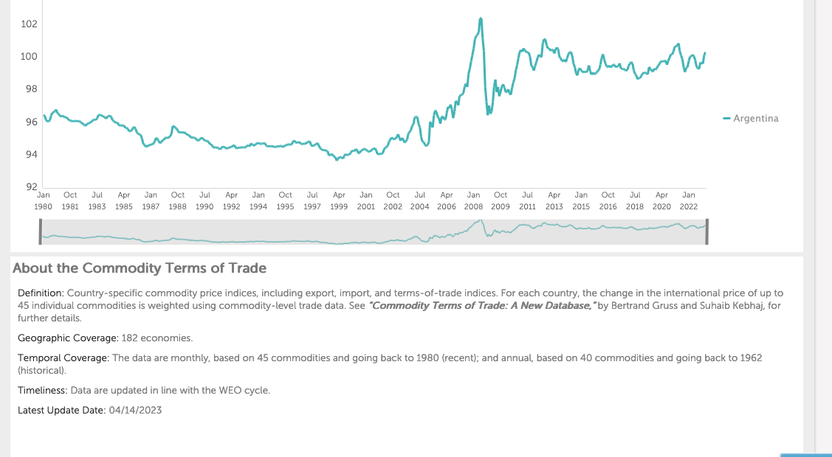
Commodity Terms of Trade
 | Argentina
Jan 1980 | 96.440620422
Feb 1980 | 96.42263031
Mar 1980 | 96.165893555
Apr 1980 | 96.066123962
May 1980 | 96.069252014
Jun 1980 | 96.122184753
Jul 1980 | 96.407814026
Aug 1980 | 96.597732544
Sep 1980 | 96.618217468
Oct 1980 | 96.697006226
Nov 1980 | 96.790855408
Dec 1980 | 96.562156677
Jan 1981 | 96.516365051
Feb 1981 | 96.405014038
Mar 1981 | 96.358078003
Apr 1981 | 96.415359497
May 1981 | 96.356254578
Jun 1981 | 96.315132141
Jul 1981 | 96.30708313
Aug 1981 | 96.243103027
Sep 1981 | 96.142150879
Oct 1981 | 96.113960266
Nov 1981 | 96.097061157
Dec 1981 | 96.057655334
Jan 1982 | 96.091377258
Feb 1982 | 96.094398499
Mar 1982 | 96.071128845
Apr 1982 | 96.082954407
May 1982 | 96.089294434
Jun 1982 | 96.011291504
Jul 1982 | 95.983100891
Aug 1982 | 95.898277283
Sep 1982 | 95.850265503
Oct 1982 | 95.791313171
Nov 1982 | 95.901847839
Dec 1982 | 95.935836792
Jan 1983 | 95.968238831
Feb 1983 | 96.017379761
Mar 1983 | 96.073623657
Apr 1983 | 96.157455444
May 1983 | 96.1848526
Jun 1983 | 96.15801239
Jul 1983 | 96.241706848
Aug 1983 | 96.456939697
Sep 1983 | 96.472991943
Oct 1983 | 96.434211731
Nov 1983 | 96.403587341
Dec 1983 | 96.357025146
Jan 1984 | 96.324020386
Feb 1984 | 96.228141785
...

 | Fuente: https://data.imf.org/?sk=2cddccb8-0b59-43e9-b6a0-59210d5605d2
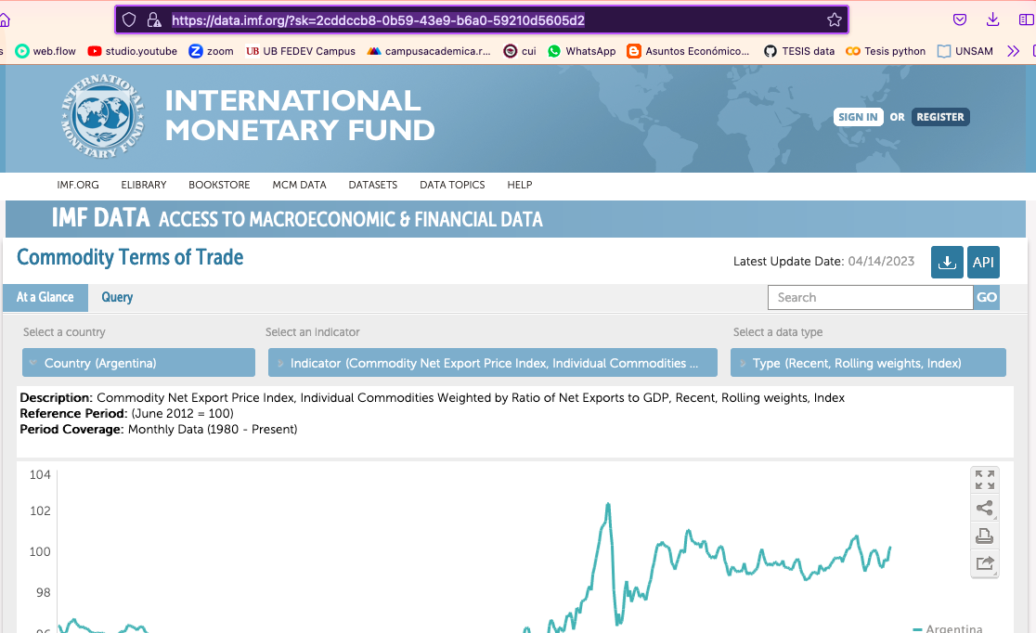

Scale: Units

